Figure 4.1a
Contents
 |  |  |  | Figure 4.1a: Trends in helpful risk factors for those aged 30 years and older, 2003-2040 (projected), standardised for age, sex and deprivation

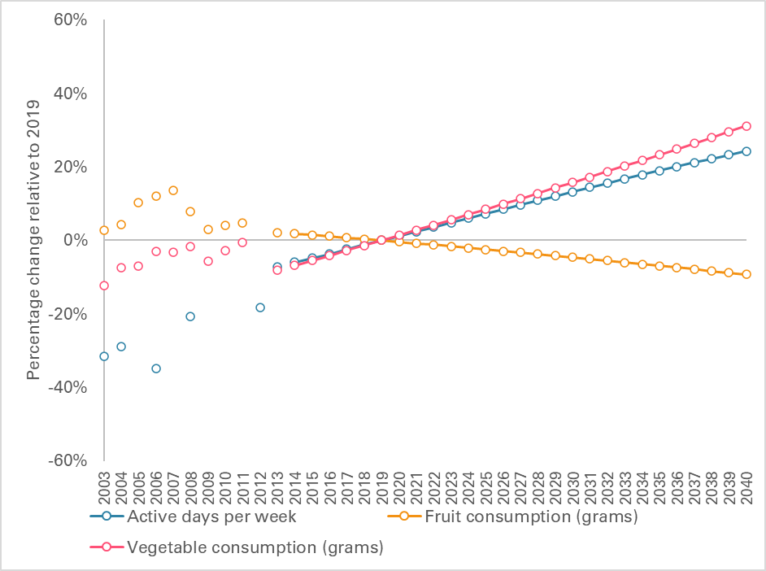

Year | Active days per week | Fruit consumption (grams) | Vegetable consumption (grams)
2003 | -31.5% | 2.8% | -12.2%
2004 | -28.9% | 4.3% | -7.5%
2005 |  | 10.3% | -6.9%
2006 | -34.9% | 12.2% | -3.1%
2007 |  | 13.7% | -3.2%
2008 | -20.7% | 7.9% | -1.7%
2009 |  | 2.9% | -5.6%
2010 |  | 4.2% | -2.7%
2011 |  | 4.8% | -0.5%
2012 | -18.2%
2013 | -7.1% | 2.2% | -8.1%
2014 | -6.0% | 1.9% | -6.8%
2015 | -4.8% | 1.5% | -5.5%
2016 | -3.7% | 1.1% | -4.1%
2017 | -2.4% | 0.8% | -2.8%
2018 | -1.2% | 0.4% | -1.4%
2019 | 0.0% | 0.0% | 0.0%
2020 | 1.2% | -0.4% | 1.4%
2021 | 2.4% | -0.8% | 2.8%
2022 | 3.6% | -1.2% | 4.2%
2023 | 4.8% | -1.6% | 5.6%
2024 | 6.0% | -2.1% | 7.0%
2025 | 7.2% | -2.5% | 8.5%
2026 | 8.4% | -2.9% | 9.9%
2027 | 9.6% | -3.3% | 11.3%
2028 | 10.8% | -3.8% | 12.8%
2029 | 12.0% | -4.2% | 14.3%
2030 | 13.2% | -4.6% | 15.7%
2031 | 14.4% | -5.1% | 17.2%
2032 | 15.6% | -5.5% | 18.7%
2033 | 16.7% | -6.0% | 20.2%
2034 | 17.9% | -6.5% | 21.8%
2035 | 19.0% | -6.9% | 23.3%
2036 | 20.1% | -7.4% | 24.9%
2037 | 21.1% | -7.9% | 26.4%
2038 | 22.2% | -8.3% | 28.0%
2039 | 23.3% | -8.8% | 29.6%
2040 | 24.3% | -9.3% | 31.2%
Note: Due to changes to the survey, some variables might have missing values between 2003 and 2012.
Source: Health Survey for England (HSE) for the years 2003 to 2012 and calculations by the University of Liverpool for subsequent years.

Figure 4.1b
Contents
 |  |  |  |  |  |  | Figure 4.1b: Trends in harmful risk factors for those aged 30 years and older, 2003-2040 (projected), standardised for age, sex and deprivation

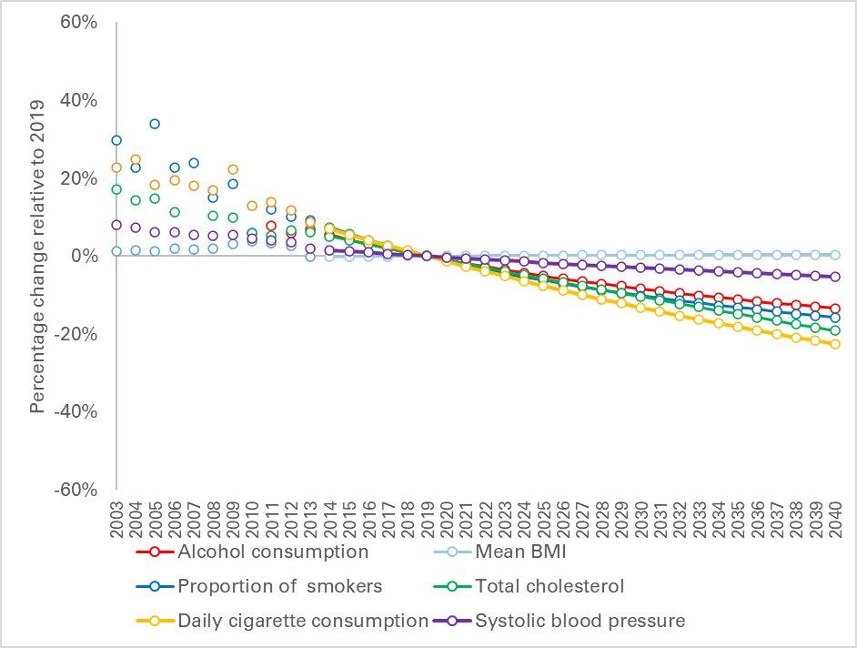

Year | Alcohol consumption | Mean BMI | Proportion of smokers | Daily cigarette consumption | Total cholesterol | Systolic blood pressure
2003 |  | 1.2% | 29.7% | 22.8% | 17.0% | 8.1%
2004 |  | 1.4% | 22.7% | 24.7% | 14.3% | 7.3%
2005 |  | 1.3% | 33.8% | 18.3% | 14.9% | 6.2%
2006 |  | 2.0% | 22.6% | 19.5% | 11.3% | 6.1%
2007 |  | 1.6% | 23.8% | 18.2% |  | 5.4%
2008 |  | 2.0% | 15.1% | 16.8% | 10.4% | 5.3%
2009 |  | 3.1% | 18.4% | 22.2% | 9.8% | 5.4%
2010 |  | 3.7% | 5.9% | 13.0% | 6.0% | 4.5%
2011 | 7.9% | 3.4% | 11.9% | 13.9% | 5.1% | 3.9%
2012 | 5.8% | 2.5% | 10.0% | 11.8% | 6.5% | 3.6%
2013 | 6.8% | -0.3% | 9.2% | 8.6% | 6.1% | 1.9%
2014 | 5.5% | -0.2% | 7.4% | 7.1% | 5.1% | 1.6%
2015 | 4.3% | -0.2% | 5.7% | 5.5% | 4.0% | 1.2%
2016 | 3.0% | -0.1% | 4.1% | 4.1% | 3.0% | 0.9%
2017 | 2.0% | -0.1% | 2.6% | 2.7% | 2.0% | 0.6%
2018 | 1.0% | 0.0% | 1.3% | 1.4% | 1.0% | 0.3%
2019 | 0.0% | 0.0% | 0.0% | 0.0% | 0.0% | 0.0%
2020 | -0.9% | 0.0% | -1.2% | -1.3% | -1.0% | -0.3%
2021 | -1.9% | 0.1% | -2.4% | -2.6% | -2.0% | -0.6%
2022 | -2.7% | 0.1% | -3.4% | -3.9% | -3.0% | -0.9%
2023 | -3.5% | 0.1% | -4.4% | -5.1% | -3.9% | -1.1%
2024 | -4.3% | 0.1% | -5.3% | -6.4% | -4.9% | -1.4%
2025 | -5.1% | 0.2% | -6.2% | -7.6% | -5.8% | -1.7%
2026 | -5.8% | 0.2% | -7.1% | -8.8% | -6.8% | -2.0%
2027 | -6.5% | 0.2% | -7.9% | -9.9% | -7.7% | -2.2%
2028 | -7.1% | 0.2% | -8.7% | -11.1% | -8.6% | -2.5%
2029 | -7.7% | 0.2% | -9.4% | -12.2% | -9.5% | -2.8%
2030 | -8.4% | 0.3% | -10.1% | -13.2% | -10.4% | -3.0%
2031 | -9.0% | 0.3% | -10.9% | -14.3% | -11.3% | -3.3%
2032 | -9.6% | 0.3% | -11.5% | -15.3% | -12.2% | -3.5%
2033 | -10.1% | 0.3% | -12.0% | -16.3% | -13.1% | -3.7%
2034 | -10.6% | 0.3% | -12.7% | -17.3% | -14.0% | -4.0%
2035 | -11.1% | 0.3% | -13.2% | -18.2% | -14.9% | -4.2%
2036 | -11.6% | 0.3% | -13.7% | -19.1% | -15.7% | -4.5%
2037 | -12.1% | 0.4% | -14.2% | -20.0% | -16.6% | -4.7%
2038 | -12.5% | 0.4% | -14.8% | -20.9% | -17.5% | -4.9%
2039 | -13.0% | 0.4% | -15.3% | -21.7% | -18.3% | -5.1%
2040 | -13.4% | 0.4% | -15.7% | -22.5% | -19.1% | -5.4%
Note: Due to changes to the survey, some variables might have missing values between 2003 and 2012.
Source: Health Survey for England (HSE) for the years 2003 to 2012 and calculations by the University of Liverpool for subsequent years.

Figure 4.2
Contents
 |  |  | Figure 4.2: Obesity prevalence by age group, 2019 and projected for 2040

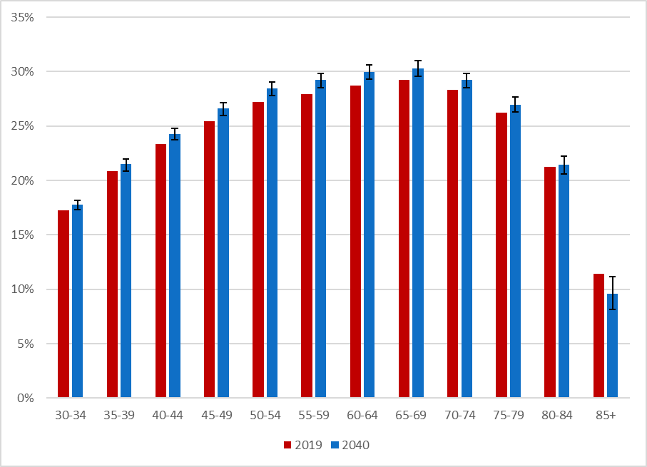

Age group | 2019 | 2040
30-34 | 17.2% | 17.8%
35-39 | 20.9% | 21.5%
40-44 | 23.4% | 24.3%
45-49 | 25.5% | 26.6%
50-54 | 27.2% | 28.5%
55-59 | 28.0% | 29.2%
60-64 | 28.7% | 30.0%
65-69 | 29.3% | 30.3%
70-74 | 28.4% | 29.2%
75-79 | 26.2% | 26.9%
80-84 | 21.3% | 21.5%
85+ | 11.4% | 9.6%

Source: Analysis by the University of Liverpool.

Source: Analysis of linked health care records and mortality data conducted by the REAL Centre and the University of Liverpool

Figure 4.3
Contents
 |  |  |  |  |  |  |  |  | Figure 4.3: Population attributable risk fraction (PARF) analysis for all CMS conditions for those aged 30 years and older, non-standardised (%)

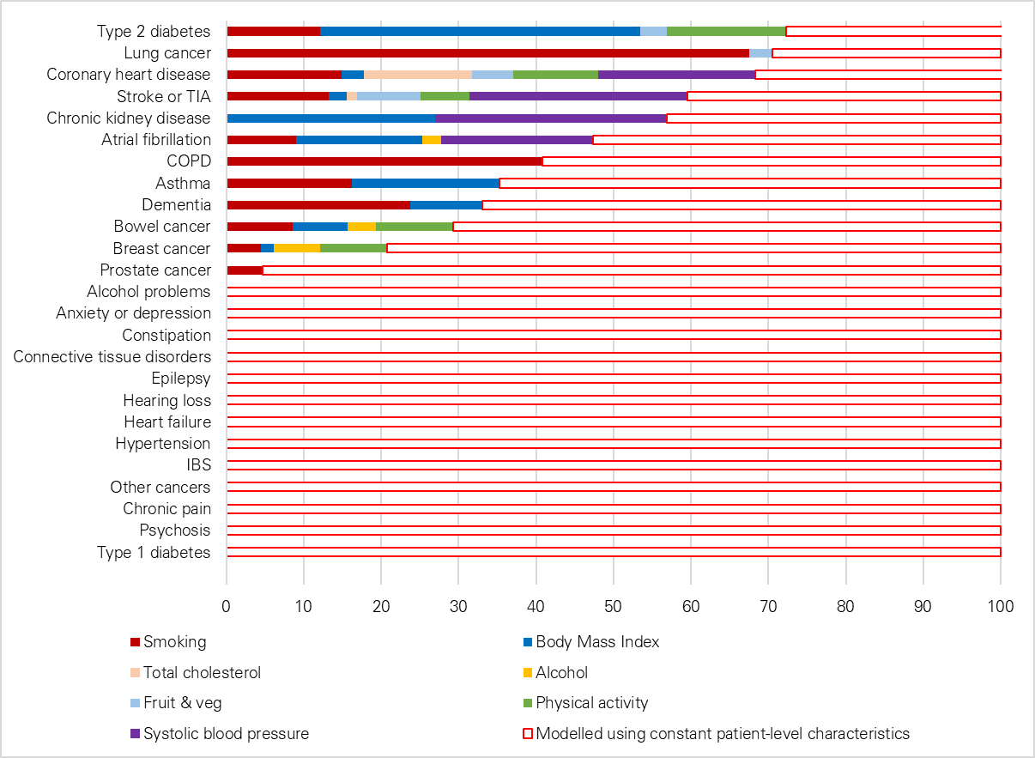

% of newly incident cases attributable to the modelled risk factors

Condition | Smoking | Body Mass Index | Total cholesterol | Alcohol | Fruit & veg | Physical activity | Systolic blood pressure | Modelled using constant patient-level characteristics
Type 2 diabetes | 12 | 41 | 0 | -2 | 3 | 15 | 0 | 29
Lung cancer | 68 | 0 | 0 | 0 | 3 | 0 | 0 | 29
Coronary heart disease | 15 | 3 | 14 | -2 | 5 | 11 | 20 | 34
Stroke or TIA | 13 | 2 | 1 | 0 | 8 | 6 | 28 | 40
Chronic kidney disease | 0 | 27 | 0 | 0 | 0 | 0 | 30 | 43
Atrial fibrillation | 9 | 16 | 0 | 2 | 0 | 0 | 20 | 53
COPD | 41 | 0 | 0 | 0 | 0 | 0 | 0 | 59
Asthma | 16 | 19 | 0 | 0 | 0 | 0 | 0 | 65
Dementia | 24 | 9 | 0 | 0 | 0 | 0 | 0 | 67
Bowel cancer | 9 | 7 | 0 | 4 | 0 | 10 | 0 | 71
Breast cancer | 4 | 2 | 0 | 6 | 0 | 9 | 0 | 79
Prostate cancer | 5 | 0 | 0 | 0 | 0 | 0 | 0 | 95
Alcohol problems |  |  |  |  |  |  |  | 100
Anxiety or depression |  |  |  |  |  |  |  | 100
Constipation |  |  |  |  |  |  |  | 100
Connective tissue disorders |  |  |  |  |  |  |  | 100
Epilepsy |  |  |  |  |  |  |  | 100
Hearing loss |  |  |  |  |  |  |  | 100
Heart failure |  |  |  |  |  |  |  | 100
Hypertension |  |  |  |  |  |  |  | 100
IBS |  |  |  |  |  |  |  | 100
Other cancers |  |  |  |  |  |  |  | 100
Chronic pain |  |  |  |  |  |  |  | 100
Psychosis |  |  |  |  |  |  |  | 100
Type 1 diabetes |  |  |  |  |  |  |  | 100
Note: TIA is transient ischaemic attack, COPD is chronic obstructive pulmonary disease, IBS is irritable bowel syndrome
Source: Analysis by the University of Liverpool.

Figure 5.1
Contents
 |  | Figure 5.1: Projected percentage point changes in incidence rates by condition for those aged 30 years and older between 2019 and 2040, England, standardised for age, sex and deprivation

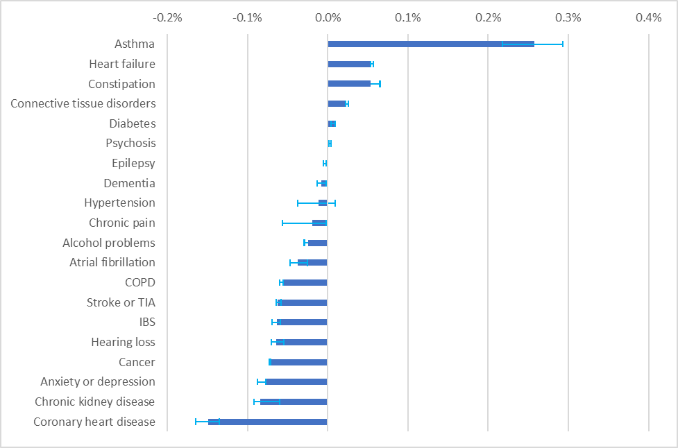

Condition | Difference between 2019 and 2040
Asthma | 0.26%
Heart failure | 0.05%
Constipation | 0.05%
Connective tissue disorders | 0.02%
Diabetes | 0.01%
Psychosis | 0.00%
Epilepsy | 0.00%
Dementia | -0.01%
Hypertension | -0.01%
Chronic pain | -0.02%
Alcohol problems | -0.02%
Atrial fibrillation | -0.04%
COPD | -0.06%
Stroke or TIA | -0.06%
IBS | -0.06%
Hearing loss | -0.06%
Cancer | -0.07%
Anxiety or depression | -0.08%
Chronic kidney disease | -0.08%
Coronary heart disease | -0.15%
Note: COPD is chronic obstructive pulmonary disease, TIA is transient ischaemic attack, IBS is irritable bowel syndrome
Source: Analysis of linked health care records and mortality data conducted by the REAL Centre and the University of Liverpool

Figure B7.1
Contents
 |  |  |  |  |  |  | Figure B7.1: Projected incidence of COPD for men by age between the years 2020 and 2040, 1940 to 1990 cohorts

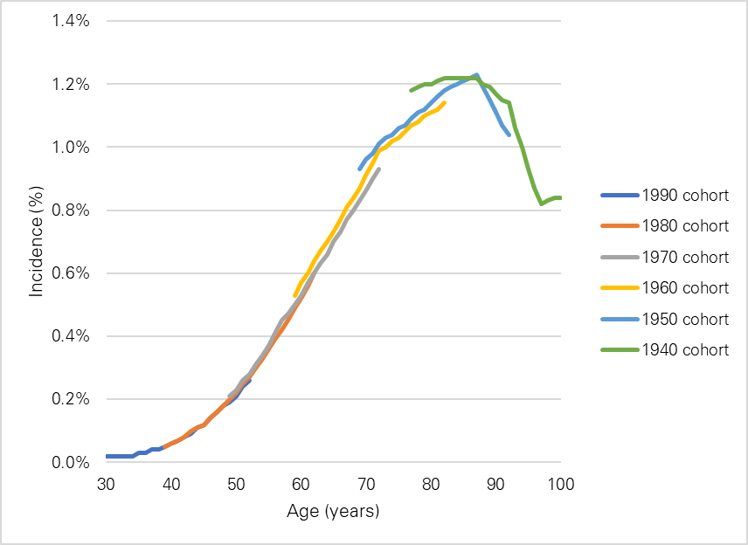

Age | 1990 cohort | 1980 cohort | 1970 cohort | 1960 cohort | 1950 cohort | 1940 cohort
30 | 0.0%
31 | 0.0%
32 | 0.0%
33 | 0.0%
34 | 0.0%
35 | 0.0%
36 | 0.0%
37 | 0.0%
38 | 0.0%
39 | 0.1% | 0.1%
40 | 0.1% | 0.1%
41 | 0.1% | 0.1%
42 | 0.1% | 0.1%
43 | 0.1% | 0.1%
44 | 0.1% | 0.1%
45 | 0.1% | 0.1%
46 | 0.1% | 0.1%
47 | 0.2% | 0.2%
48 | 0.2% | 0.2%
49 | 0.2% | 0.2% | 0.2%
50 | 0.2% | 0.2% | 0.2%
51 | 0.2% | 0.3% | 0.3%
52 | 0.3% | 0.3% | 0.3%
53 |  | 0.3% | 0.3%
54 |  | 0.3% | 0.3%
55 |  | 0.4% | 0.4%
56 |  | 0.4% | 0.4%
57 |  | 0.4% | 0.5%
58 |  | 0.5% | 0.5%
59 |  | 0.5% | 0.5% | 0.5%
60 |  | 0.5% | 0.5% | 0.6%
61 |  | 0.6% | 0.6% | 0.6%
62 |  | 0.6% | 0.6% | 0.6%
63 |  |  | 0.6% | 0.7%
64 |  |  | 0.7% | 0.7%
65 |  |  | 0.7% | 0.7%
66 |  |  | 0.7% | 0.8%
67 |  |  | 0.8% | 0.8%
68 |  |  | 0.8% | 0.8%
69 |  |  | 0.8% | 0.9% | 0.9%
70 |  |  | 0.9% | 0.9% | 1.0%
71 |  |  | 0.9% | 1.0% | 1.0%
72 |  |  | 0.9% | 1.0% | 1.0%
73 |  |  |  | 1.0% | 1.0%
74 |  |  |  | 1.0% | 1.0%
75 |  |  |  | 1.0% | 1.1%
76 |  |  |  | 1.1% | 1.1%
77 |  |  |  | 1.1% | 1.1% | 1.2%
78 |  |  |  | 1.1% | 1.1% | 1.2%
79 |  |  |  | 1.1% | 1.1% | 1.2%
80 |  |  |  | 1.1% | 1.1% | 1.2%
81 |  |  |  | 1.1% | 1.2% | 1.2%
82 |  |  |  | 1.1% | 1.2% | 1.2%
83 |  |  |  |  | 1.2% | 1.2%
84 |  |  |  |  | 1.2% | 1.2%
85 |  |  |  |  | 1.2% | 1.2%
86 |  |  |  |  | 1.2% | 1.2%
87 |  |  |  |  | 1.2% | 1.2%
88 |  |  |  |  | 1.2% | 1.2%
89 |  |  |  |  | 1.2% | 1.2%
90 |  |  |  |  | 1.1% | 1.2%
91 |  |  |  |  | 1.1% | 1.2%
92 |  |  |  |  | 1.0% | 1.1%
93 |  |  |  |  |  | 1.1%
94 |  |  |  |  |  | 1.0%
95 |  |  |  |  |  | 0.9%
96 |  |  |  |  |  | 0.9%
97 |  |  |  |  |  | 0.8%
98 |  |  |  |  |  | 0.8%
99 |  |  |  |  |  | 0.8%

Source: Analysis of linked health care records and mortality data conducted by the REAL Centre and the University of Liverpool

Figure B7.2
Contents
 |  |  |  |  |  |  | Figure B7.2: Projected mortality rates per COPD patient for men by age between the years 2020 and 2040, 1940 to 1990 cohorts

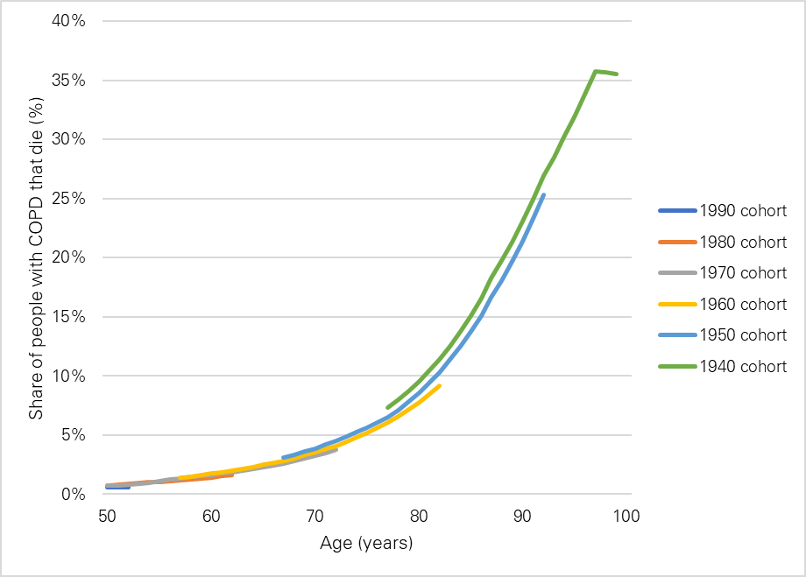

Age | 1990 cohort | 1980 cohort | 1970 cohort | 1960 cohort | 1950 cohort | 1940 cohort
50 | 0.6% | 0.8% | 0.7%
51 | 0.6% | 0.8% | 0.8%
52 | 0.6% | 0.9% | 0.8%
53 |  | 0.9% | 0.9%
54 |  | 1.0% | 1.0%
55 |  | 1.1% | 1.1%
56 |  | 1.1% | 1.2%
57 |  | 1.2% | 1.3% | 1.4%
58 |  | 1.3% | 1.4% | 1.5%
59 |  | 1.3% | 1.5% | 1.6%
60 |  | 1.4% | 1.6% | 1.7%
61 |  | 1.5% | 1.7% | 1.9%
62 |  | 1.6% | 1.8% | 2.0%
63 |  |  | 2.0% | 2.2%
64 |  |  | 2.1% | 2.3%
65 |  |  | 2.3% | 2.5%
66 |  |  | 2.4% | 2.6%
67 |  |  | 2.6% | 2.8% | 3.1%
68 |  |  | 2.8% | 3.0% | 3.3%
69 |  |  | 3.0% | 3.3% | 3.6%
70 |  |  | 3.2% | 3.5% | 3.9%
71 |  |  | 3.5% | 3.8% | 4.2%
72 |  |  | 3.8% | 4.1% | 4.5%
73 |  |  |  | 4.4% | 4.9%
74 |  |  |  | 4.8% | 5.2%
75 |  |  |  | 5.2% | 5.6%
76 |  |  |  | 5.6% | 6.0%
77 |  |  |  | 6.0% | 6.5% | 7.3%
78 |  |  |  | 6.6% | 7.1% | 8.0%
79 |  |  |  | 7.2% | 7.8% | 8.7%
80 |  |  |  | 7.8% | 8.6% | 9.5%
81 |  |  |  | 8.5% | 9.4% | 10.4%
82 |  |  |  | 9.2% | 10.3% | 11.4%
83 |  |  |  |  | 11.4% | 12.5%
84 |  |  |  |  | 12.5% | 13.8%
85 |  |  |  |  | 13.7% | 15.1%
86 |  |  |  |  | 15.1% | 16.6%
87 |  |  |  |  | 16.6% | 18.2%
88 |  |  |  |  | 18.1% | 19.7%
89 |  |  |  |  | 19.7% | 21.3%
90 |  |  |  |  | 21.4% | 23.1%
91 |  |  |  |  | 23.3% | 24.9%
92 |  |  |  |  | 25.3% | 27.0%
93 |  |  |  |  |  | 28.5%
94 |  |  |  |  |  | 30.2%
95 |  |  |  |  |  | 31.9%
96 |  |  |  |  |  | 33.8%
97 |  |  |  |  |  | 35.8%
98 |  |  |  |  |  | 35.7%
99 |  |  |  |  |  | 35.6%

Source: Analysis of linked health care records and mortality data conducted by the REAL Centre and the University of Liverpool

Figure B7.3
Contents
 |  |  |  |  |  |  | Figure B7.3 : Projected prevalence of COPD for men by age between the years 2020 and 2040, 1940 to 1990 cohorts

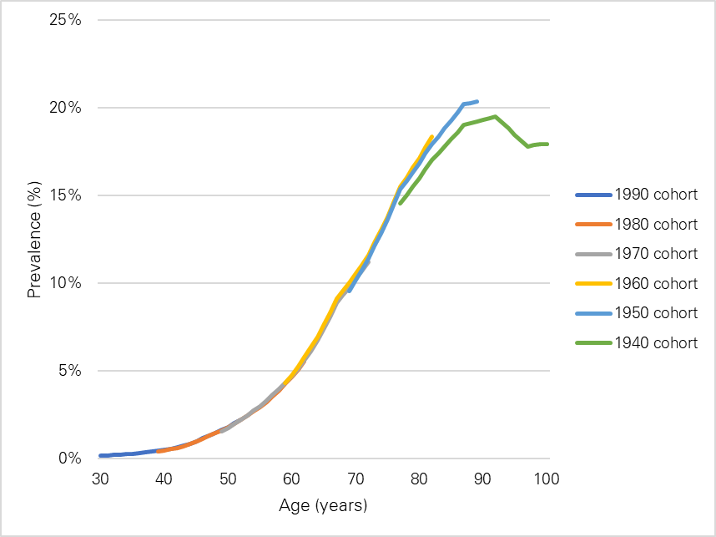

Age | 1990 cohort | 1980 cohort | 1970 cohort | 1960 cohort | 1950 cohort | 1940 cohort
30 | 0.2%
31 | 0.2%
32 | 0.2%
33 | 0.2%
34 | 0.2%
35 | 0.3%
36 | 0.3%
37 | 0.3%
38 | 0.4%
39 | 0.4% | 0.4%
40 | 0.5% | 0.4%
41 | 0.6% | 0.5%
42 | 0.6% | 0.6%
43 | 0.7% | 0.7%
44 | 0.8% | 0.8%
45 | 1.0% | 0.9%
46 | 1.1% | 1.1%
47 | 1.3% | 1.3%
48 | 1.4% | 1.4%
49 | 1.6% | 1.6% | 1.5%
50 | 1.8% | 1.8% | 1.7%
51 | 2.0% | 2.0% | 2.0%
52 | 2.2% | 2.2% | 2.2%
53 |  | 2.4% | 2.5%
54 |  | 2.7% | 2.7%
55 |  | 2.9% | 3.0%
56 |  | 3.2% | 3.3%
57 |  | 3.6% | 3.6%
58 |  | 3.9% | 4.0%
59 |  | 4.2% | 4.3% | 4.3%
60 |  | 4.6% | 4.7% | 4.7%
61 |  | 5.1% | 5.1% | 5.2%
62 |  | 5.5% | 5.6% | 5.8%
63 |  |  | 6.1% | 6.3%
64 |  |  | 6.7% | 6.9%
65 |  |  | 7.4% | 7.6%
66 |  |  | 8.1% | 8.3%
67 |  |  | 8.9% | 9.1%
68 |  |  | 9.3% | 9.5%
69 |  |  | 9.7% | 10.0% | 9.5%
70 |  |  | 10.2% | 10.5% | 10.1%
71 |  |  | 10.7% | 11.0% | 10.8%
72 |  |  | 11.2% | 11.6% | 11.4%
73 |  |  |  | 12.3% | 12.1%
74 |  |  |  | 13.0% | 12.8%
75 |  |  |  | 13.8% | 13.6%
76 |  |  |  | 14.6% | 14.5%
77 |  |  |  | 15.5% | 15.3% | 14.6%
78 |  |  |  | 16.0% | 15.8% | 15.0%
79 |  |  |  | 16.6% | 16.3% | 15.5%
80 |  |  |  | 17.1% | 16.8% | 16.0%
81 |  |  |  | 17.7% | 17.4% | 16.5%
82 |  |  |  | 18.3% | 17.9% | 17.0%
83 |  |  |  |  | 18.4% | 17.4%
84 |  |  |  |  | 18.8% | 17.8%
85 |  |  |  |  | 19.3% | 18.2%
86 |  |  |  |  | 19.7% | 18.6%
87 |  |  |  |  | 20.2% | 19.0%
88 |  |  |  |  | 20.3% | 19.1%
89 |  |  |  |  | 20.3% | 19.2%
90 |  |  |  |  |  | 19.3%
91 |  |  |  |  |  | 19.4%
92 |  |  |  |  |  | 19.5%
93 |  |  |  |  |  | 19.2%
94 |  |  |  |  |  | 18.8%
95 |  |  |  |  |  | 18.5%
96 |  |  |  |  |  | 18.1%
97 |  |  |  |  |  | 17.8%
98 |  |  |  |  |  | 17.9%
99 |  |  |  |  |  | 17.9%

Source: Analysis of linked health care records and mortality data conducted by the REAL Centre and the University of Liverpool

Figure B7.4
Contents
 |  |  |  |  |  |  | Figure B7.4 : Projected number of COPD cases for men by age between the years 2020 and 2040, 1940 to 1990 cohorts

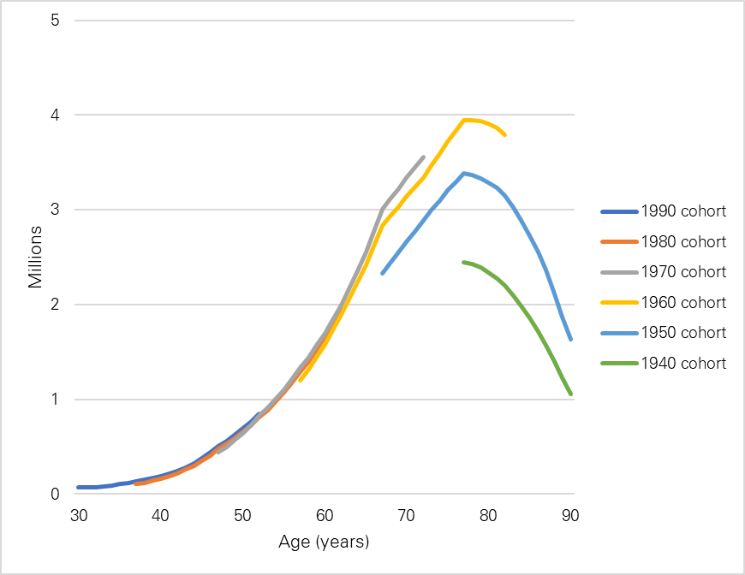

Age | 1990 cohort | 1980 cohort | 1970 cohort | 1960 cohort | 1950 cohort | 1940 cohort
30 | 67,544
31 | 67,790
32 | 69,016
33 | 78,900
34 | 90,087
35 | 102,783
36 | 117,290
37 | 133,864 | 103,668
38 | 150,537 | 120,454
39 | 169,299 | 139,775
40 | 190,422 | 162,305
41 | 214,206 | 188,587
42 | 241,081 | 219,240
43 | 279,784 | 256,234
44 | 324,779 | 299,528
45 | 376,962 | 350,062
46 | 437,308 | 408,869
47 | 507,212 | 477,422 | 439,432
48 | 562,437 | 530,497 | 498,761
49 | 623,705 | 589,486 | 566,005
50 | 691,694 | 655,066 | 642,259
51 | 766,926 | 727,759 | 728,821
52 | 850,262 | 808,418 | 826,879
53 |  | 888,051 | 910,691
54 |  | 975,193 | 1,002,521
55 |  | 1,070,256 | 1,102,816
56 |  | 1,173,794 | 1,212,175
57 |  | 1,286,682 | 1,331,573 | 1,195,474
58 |  | 1,400,661 | 1,444,809 | 1,312,722
59 |  | 1,523,481 | 1,566,298 | 1,439,754
60 |  | 1,656,556 | 1,697,369 | 1,579,309
61 |  | 1,800,641 | 1,838,647 | 1,731,800
62 |  | 1,956,363 | 1,990,637 | 1,897,987
63 |  |  | 2,165,630 | 2,059,977
64 |  |  | 2,354,478 | 2,234,081
65 |  |  | 2,556,866 | 2,419,648
66 |  |  | 2,774,095 | 2,617,790
67 |  |  | 3,007,459 | 2,829,617 | 2,327,852
68 |  |  | 3,116,284 | 2,932,224 | 2,439,658
69 |  |  | 3,226,689 | 3,036,002 | 2,551,258
70 |  |  | 3,336,970 | 3,139,178 | 2,661,360
71 |  |  | 3,446,417 | 3,240,951 | 2,773,396
72 |  |  | 3,554,535 | 3,340,764 | 2,885,499
73 |  |  |  | 3,469,019 | 2,993,968
74 |  |  |  | 3,594,673 | 3,099,183
75 |  |  |  | 3,716,999 | 3,200,502
76 |  |  |  | 3,833,934 | 3,295,870
77 |  |  |  | 3,942,871 | 3,382,765 | 2,448,587
78 |  |  |  | 3,945,522 | 3,365,537 | 2,425,342
79 |  |  |  | 3,934,079 | 3,334,992 | 2,395,141
80 |  |  |  | 3,906,517 | 3,289,460 | 2,335,915
81 |  |  |  | 3,861,072 | 3,227,534 | 2,273,397
82 |  |  |  | 3,795,785 | 3,147,784 | 2,198,958
83 |  |  |  |  | 3,025,363 | 2,096,635
84 |  |  |  |  | 2,884,456 | 1,981,656
85 |  |  |  |  | 2,725,619 | 1,854,946
86 |  |  |  |  | 2,550,428 | 1,718,196
87 |  |  |  |  | 2,360,463 | 1,572,882
88 |  |  |  |  | 2,114,398 | 1,396,740
89 |  |  |  |  | 1,869,289 | 1,223,030
90 |  |  |  |  | 1,628,868 | 1,054,528

Source: Analysis of linked health care records and mortality data conducted by the REAL Centre and the University of Liverpool

Figure 8.1
Contents
 |  |  |  |  |  |  |  |  |  |  | Figure 8.1: Average Cambridge Multimorbidity Score by age group and deprivation decile, England, 2019

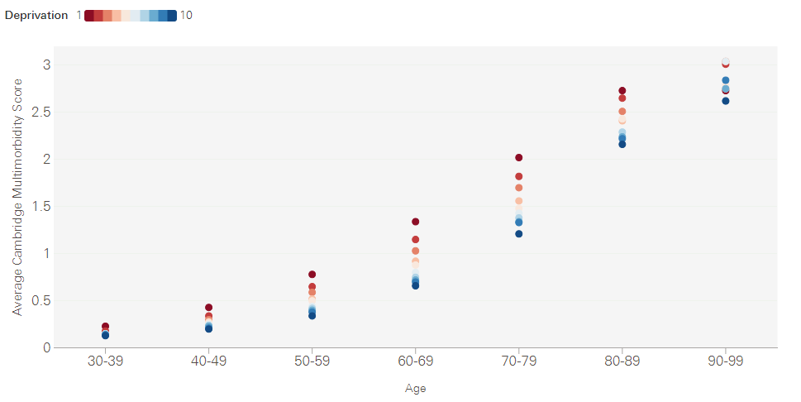

Age group | 1 most deprived | 2 | 3 | 4 | 5 | 6 | 7 | 8 | 9 | 10 least deprived
30-39 | 0.23 | 0.18 | 0.15 | 0.15 | 0.15 | 0.15 | 0.15 | 0.14 | 0.14 | 0.13
40-49 | 0.43 | 0.34 | 0.30 | 0.28 | 0.27 | 0.25 | 0.24 | 0.23 | 0.21 | 0.20
50-59 | 0.78 | 0.65 | 0.59 | 0.52 | 0.50 | 0.44 | 0.42 | 0.40 | 0.38 | 0.34
60-69 | 1.34 | 1.15 | 1.03 | 0.92 | 0.88 | 0.80 | 0.75 | 0.72 | 0.70 | 0.66
70-79 | 2.02 | 1.82 | 1.70 | 1.56 | 1.48 | 1.43 | 1.38 | 1.34 | 1.33 | 1.21
80-89 | 2.73 | 2.65 | 2.51 | 2.41 | 2.43 | 2.29 | 2.29 | 2.24 | 2.22 | 2.16
90-99 | 2.73 | 3.01 | 3.04 | 2.75 | 2.79 | 3.04 | 2.62 | 2.75 | 2.84 | 2.62

Source: Analysis of linked health care records and mortality data conducted by the REAL Centre and the University of Liverpool

